DOOR
 |  | NAMING CONVENTIONS CECO OPTIONS
*LP/UP SAME $ |  |  |  |  |  | DESIGN
 |  | DOOR | SERIES | GAGE | MATERIAL | W | L | LOCK | ELEVATION | UC | CLOSER | LITE/lvr | TOP CAP | A40
 |  | LP_16_ GL4_4080V_LHR_C1_LC1_BU | LP | 16 | GL4 | 40 | 80 |  | F | 3/4 | $36.00 | $84.00 | $27.00 | $100.00
 |  |  |  |  |  |  |  |  |  |  | $72.00

 |  | LP_16_ GL4_3080V_LHR_C1_LC1_BU

 |  | LP_16_ GL4_6080V_LHR_C1_LC1_BU

ACTIVE SINGLE | 3068AFF | UP19GL403068 F NH C1LC1 B |  |  |  | F
 | 3068AVV | UP19GL403068 V NH C1LC1 B |  |  |  | VCO
 | 3068AG
 | 3068ALL
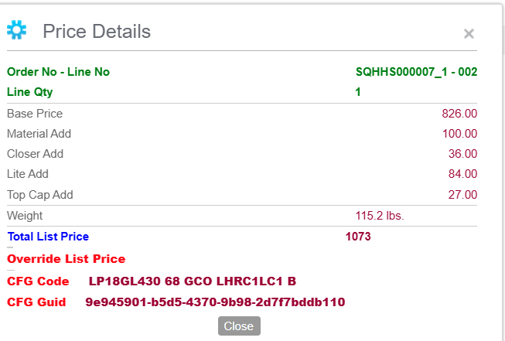
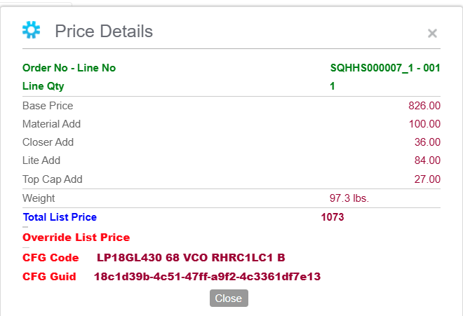
ACTIVE DOOR OF PAIR | 3068AFF
 | 3068AVV
 | 3068AG
 | 3068ALL

INACTIVE DOOR | 3068IAFF
 | 3068IAVV
 | 3068IAG
 | 3068IALL |  |  | LP18GL430 68 GCO LHRC1LC1 B,

ACTIVE SINGLE | 3070AFF
 | 3070AVV
 | 3070AG
 | 3070ALL

ACTIVE DOOR OF PAIR | 3070AFF
 | 3070AVV
 | 3070AG
 | 3070ALL

INACTIVE DOOR | 3070IAFF
 | 3070IAVV
 | 3070IAG
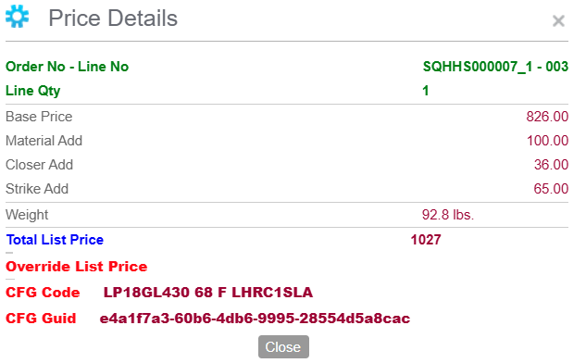
 | 3070IALL

ACTIVE SINGLE | 3080AFF
 | 3080AVV
 | 3080AG
 | 3080ALL

ACTIVE DOOR OF PAIR | 3080AFF
 | 3080AVV
 | 3080AG
 | 3080ALL

INACTIVE DOOR | 3080IAFF
 | 3080IAVV
 | 3080IAG
 | 3080IALL

ACTIVE SINGLE | 4068AFF
 | 4068AVV
 | 4068AG
 | 4068ALL

ACTIVE DOOR OF PAIR | 4068AFF
 | 4068AVV
 | 4068AG
 | 4068ALL

INACTIVE DOOR | 4068IAFF
 | 4068IAVV
 | 4068IAG
 | 4068IALL

Sheet1
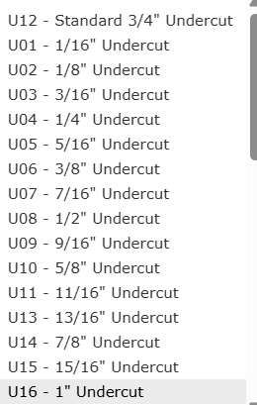
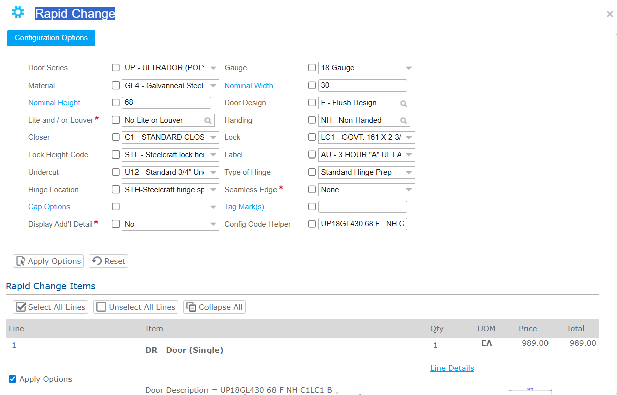
 |  | RAPID CHANGE IS AVAILBLE RIGHT AVOVE LOCATION*
UNDERCUT TABLE | PAGE 45 | PULLS UP A SHORTENED VERSION.
 |  | CAN MODIFY AN EXISTITING QUOTE NOT SURE

